Judging Criteria Scoring Sheet
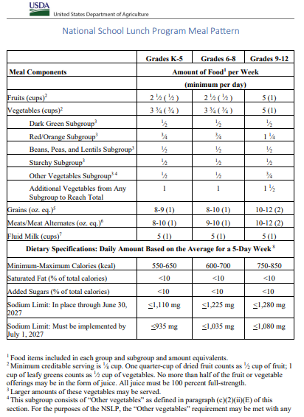
Alabama SERJCC 2025 Registration - Judging Criteria Scoring Sheet | Judge's Name:
 | Judge's Signature:
 | Date:

ALABAMA SOUTHEAST REGIONAL JUNIOR CHEF COMPETITION

Team School:
Recipe Name:

Recipe Requirements |  | Points | Score
Recipe meets the National School Lunch Program meal pattern and nutrition standards. (Note: time, affordability, compliance with NSLP meal pattern and nutrition standards, entrée/dish may not contain nuts) |  | 10
Recipe incorporates at least two (2) local ingredients (highlighted in Bold Red) applicable to the represented state. (Note: Local items used as Garnish does not count towards recipe requirements.) |  | 10
Recipe incorporates at least one (1) USDA Food item (highlighted in Bold Green). One is required. |  | 10
Recipe is replicable by School Nutrition professionals with available ingredients, equipment, staffing, and time. Recipe cost is affordable for School Nutrition Programs. (Note: Production and Food cost should be kept as low as possible. The less people and food products needed to create the dish, makes it more usable.) |  | 10
Judge's Comments: |  | 40 Points Possible

Execution/Teamwork |  | Points | Score
Team prepared, cooked, and plated the team’s recipe within given time of 90 minutes or less, yielding six (6) servings. |  | 4
The team was able to create and follow a workplan to prepare and plate the recipe within the time frame. |  | 10
Contestants were pleasant and courteous to guests. |  | 4
Judge's Comments: |  | 18 Points Posible

Presentation/Appearance |  | Points | Score
The overall recipe presentation is appealing. The team was able to demonstrate the recipe will yield 6 equal servings. |  | 10
Team presented a brief presentation of the presented dish including: (Note: all team members must present and be prepared to answer impromtu questions from the judges) |  | 7
Description of the dish |  | 3
Explanation of the dish creation |  | 3
Student taste test results |  | 4
Judge's Comments: |  | 27 Points Possible

Creativity, Innovation, & Taste Appeal |  | Points | Score
Recipe had a pleasing overall appeal. (Note: Presentation on plate) |  | 10
Recipe had a pleasing overall flavor. (Note: Kid friendly and flavorful) |  | 10
Recipe included a contrast in texture. (i.e., soft, chewy, crisp, tender, etc.) |  | 4
Recipe included a contrast in flavors. (i.e., strong, mild, sweet, tart, salty, etc.) |  | 4
Recipe textures were appropriate. (i.e., tender meat, crisp veg, and lump-free gravy.) |  | 4
Creativity was used in the recipe development/preparation. (Note: ingenuity of the ingredients used, how the dish is prepared, how it is presented.) |  | 10
Recipe is kid friendly. |  | 10
Judge's Comments: |  | 57 Points Possible

General Nutrition Knowledge |  | Points | Score
Contestant’s responses to questions demonstrated nutritional knowledge. |  | 12
Contestants exhibited knowledge and were able to articulate by the way of a speech, the importance of buying and using local products. |  | 12
Judge's Comments: |  | 24 Points Possible

Safety and Sanitation |  | Points | Score
All food preparation equipment and utensils were used safely and properly. |  | 5
All food was cleaned, stored, and cooked properly. |  | 6
Thermometer was used for food safety & quality. |  | 3
Contestants washed hands before handling food. |  | 3
Contestants’ hair was controlled or restrained during dish prep (hair net or hat). |  | 3
No earrings, nail polish, jewelry, or visible piercings |  | 5
Sanitizing Countertops |  | 3
Work & serving areas were left clean and tidy. (i.e., tables, swept floor, etc.) |  | 3
Contestants’ clothing was appropriate and clean. |  | 3
Judge's Comments: |  | 34 Points Possible

Final Total: Points/Score |  | Points | Score
Total: |  | 200 Points Possible

